Definition of Elastic Net Reg
1.ELASTIC NET(CROSS VALIDATION) (ELASTIC NET CV) | REFERENCE

⇰The Elastic-Net CV is a Cross Validation Class regularised regression method that linearly combines both penalties i.e. L1 (LASSO Regularization) and L2 (Ridge Regularization) Methods By using Hyper Parameter l1_ratio in which (Float between 0 and 1 passed to ElasticNet in which we can regulate (scaling between l1 and l2 penalties) It is useful when there are multiple correlated features. | ⇰REFERENCE (Website)--> Tutorial Point Regarding Thereotical & Practical Implementation (Coding) of Elastic Net Regression | ⇰REFERENCE (Website)-->2.4 (i) (Excel) Theory Regularization Ridge , LASSO & Elastic Net(Overall Understanding) Regarding Overall Definition & Conceptual Understanding of Elastic Net Model | ⇰REFERENCE (Website)-->2.4 (ii) Excel Theory Regularization Understanding (Diagrammatic Understanding) By Udemy Regarding (L1 + L2) Correlation in Between these two Regularization

⇰BENEFIT OF ELASTIC NET CV MODEL OVER L1 & L2 REGULARIZATION
⇰Sklearn provides a linear model named ElasticNet CV which is trained with both L1, L2-norm for regularisation of the coefficients. The advantage of such combination is that it allows for learning a sparse model where few of the weights are non-zero like Lasso regularisation method, while still maintaining the regularization properties of Ridge regularisation method.
 | ⇰REFERENCE (Website)-->DataTechNotes Regarding Thereotical & Practical Implementation (Coding) of LASOO CV Regularization

 | ⇰REFERENCE (Website)-->Udemy Regarding Thereotical & Practical Implementation Regarding Diagrammatic Understanding of Elastic Net Regression

❶Due to Parameter l1_ratio Elastic net is the same as lasso when α = 1. As α shrinks toward 0, elastic net approaches ridge regression. For other values of α, the penalty term Pα(β) interpolates between the L1 norm of β and the squared L2 norm of β. | ⇰REFERENCE (Website)-->Udemy Regarding Thereotical & Practical (Coding)Implementation Regarding Regularization Elastic Net CV (L1 + L2)

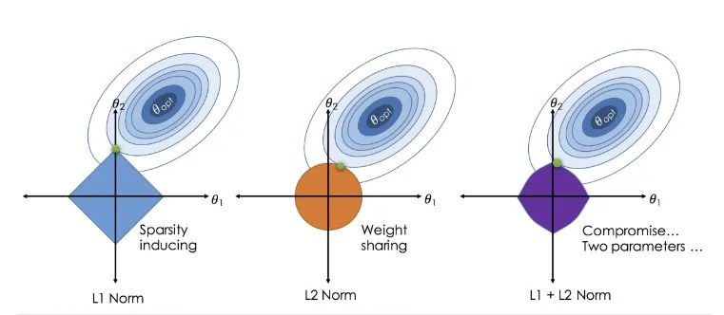

 | ⇰REFERENCE (Website)-->Scikit Learn Regarding Thereotical & Practical Implementation Regarding Conceptual Understanding & Hyper Parameter forElastic Net CV

Hyper Param For Elastic Net CV
1.ELASTIC NET CROSS-VALIDATION (LASSO CV) | REFERENCE

 | ⇰REFERENCE (Website)-->Scikit Learn Regarding Thereotical & Conceptual & Practical Implementation Regarding Hyper Parameter of Elastic Net CV (Cross Validation) | ⇰REFERENCE (Excel Sheet)--> 2.4 (i) Excel Sheet Regarding Overall Conceptual Info of LASSO & Understading Meaning With Basic Mathematical Formulas & Figure.

 |  |  | Eps Basically Means Changing Huge Wide Range of Alpha Values falls in between 0 & 1.
IMPERATIVE / FUNDAMENTAL HYPER PARAMETER FOR MODEL
 |  | ⇰REFERENCE (Excel Sheet)-->2.4 (ii) Excel Sheet Regarding Understanding Regularization Concept With Diagramatic Illustration by Udemy | ❶If eps = 0.1 Here we can see All other feature turn to zero (0) it means there is no any kind of inter relationship among various feature and affect output that is y .
⇰l1_ratio:float or list of float, default=0.5 ❶Float between 0 and 1 passed to ElasticNet (scaling between l1 and l2 penalties). For l1_ratio = 0 the penalty is an L2 penalty. For l1_ratio = 1 it is an L1 penalty. For 0 < l1_ratio < 1, the penalty is a combination of L1 and L2 This parameter can be a list, in which case the different values are tested by cross-validation and the one giving the best prediction score is used. Note that a good choice of list of values for l1_ratio is often to put more values close to 1 (i.e. Lasso) and less close to 0 (i.e. Ridge), as in [.1, .5, .7, .9, .95, .99, 1]. ❷ (↑) So you can see here this list [.1, .5, .7, .9, .95, .99, 1] and in general it says that you should go more towards lasso and less close to Ridge, since more likely than not, it's probably a good idea to put some of those coefficients to zero (0). ❸Basically in Simple Words this Hyper Parameter obviously for something like Elastic Net, you'll definitely need to use cross validation to get reasonable results for what the l1_ratio should be as well as what your outside lambda (λ) should be & the way is Scikit Learn does this is it essentially says you have this l1_ratio, which is a float ratio between zero (0) and one (1), which is how much are you going to do for L1 (LASSORegularization) One versus (vs) how much are you going to do for L2 (Ridge Regularization). | ⇰REFERENCE (Website)-->Scikit Learn Regarding Thereotical & Conceptual & Practical Implementation Regarding Hyper Parameter of Elastic Net CV (Cross Validation)
 |  |  | 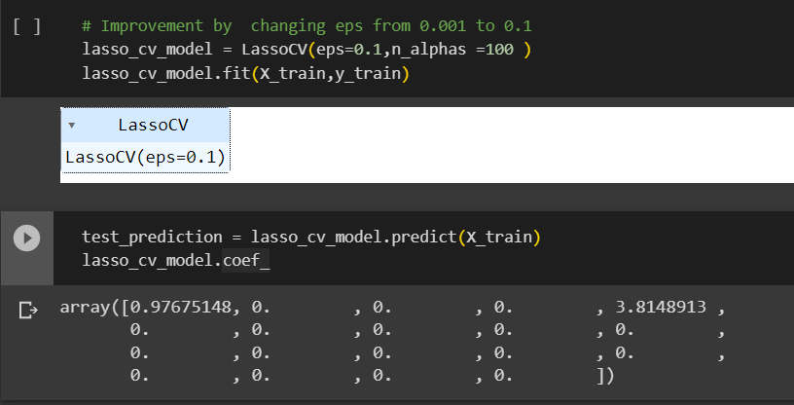 |  |  | ⇰REFERENCE (Website)--> 1.4 (OLD) Regularization , Ridge , LASSO, Elastic Net Regarding Practical Implementation at Parameter eps=0.1 What Kind of Output it Yield it now?

 | ⇰REFERENCE (Website)-->Udemy (L1 & L2 Regularization) Regarding Conceptual & Practical Implementation (Coding) of Elastic Net Regularization (L 1+L2)

 |  |  | ❷If eps=0.001 When eps=0.001 then It is not able to find Convergence (Optimal Point) Because of the reason given above Text Line. To Increase Convergence or Proper Optimization of Model We need to Increase eps=0.001. |  |  | ⇰REFERENCE (Website)--> 1.4 (OLD) Regularization , Ridge , LASSO, Elastic Net Regarding Practical Implementation at Parameter eps=0.001 What Kind of Output it Yield it now?
⇰eps:float, default=1e-3--> (eps==>alpha )(It is scientific notation. It means 1 × 10−5. In other words, 0.00001) ❶Length of the path. eps=1e-3 means that alpha_min / alpha_max = 1e-3. ❷In Simple Words EPS or this Epsilon argument essentially is a ratio between the minimum alpha (αmin) value divided by the alpha maximum value (αmax) ==>(α max)/ (αmin)

 |  |  | 

 | ⇰REFERENCE (Website)-->Stackoverflow RegardingWhat does "e" in "1e-5" in Python language mean and what is the name of this notation?
❸(You see here there is a convergence warning WARNING BELOW ↓)In another way to potentially fix this is to try to minimize the actual search parameters. ❹Recall that the smaller this epsilon value is, that means the wider range you're checking.So what we could do as well is keep the default max iterations, but just lower this epsilon search to something like 0.1 so that the minimum and maximum ratio is a little smaller.So we're not searching as wide.So if you run this instead, you'll notice that also works.

 | ⇰REFERENCE (Website)-->Scikit Learn Regarding Thereotical & Conceptual & Practical Implementation Regarding Hyper Parameter of Elastic Net CV (Cross Validation)

 | ⇰REFERENCE (Website)-->Udemy (L1 & L2 Regularization) Regarding Conceptual & Practical Implementation (Coding) of Elastic Net Regularization (L1+L2)

 |  | max_iter-->The maximum number of iterations.
⇰n_alphas:int, default=100 ,(λ)==>alpha ❶Number of alphas along the regularization path. However, if you keep it as none, the alphas are set automatically and the way that works is it uses this epsilon (eps) and n_alphas parameter.This is 2nd Methods For Alpha HyperParameter Tuning . ❷How it 's Gonna Work is what you do is really similar to np.linspace, that linear spacing in which it's going to check a number of alphas along the regularization path (n_alphas) & (eps) where the regularization path is defined by Alpha Min, divided by Alpha Max (α max)/ (αmin) . ❸Obviously, if you increase this number of alphas (α), then you're going to end up checking more and more alphas (α), which means this is going to take longer to run & also the ratio here between the minimum value for the maximum value.As this gets smaller, that means you're checking a larger and larger subset of possible values.
 |  | ❶max_iter=1000 When the Iteration By 1000 Times then It is not able to find Convergence (Optimal Point) Because of the reason given above Text Line. So to Create Convergence we need to Further Optimize Our Model

 |  |  |  |  | ⇰REFERENCE (Website)--> 1.4 (OLD) Regularization , Ridge , LASSO, Elastic Net Regarding Practical Implementation at Parameter max_iter=1000 What Kind of Output it Yield it now?

⇰max_iter:int, default=1000 ❶The maximum number of iterations. ❷(You see here there is a convergence warning WARNING BELOW ↓) It's essentially saying that that stochastic search for the best alpha value never actually converged & 2nd Method for Elimination for Convergence Warning is --> it's essentially only allowing this stochastic search for the best alpha (α) value to run 1000 times.That means if we increase the maximum possible of iterations (max_iter), we can increase the likelihood that it converges.So let's go ahead and try that and see if it fixes the issue.So by default, it's 1000.Let's go ahead and make it way higher just to see if that gets rid of this warning, to make sure our understanding of the warning is correct.

 |  | ❷max_iter=100000 When Iteration is approx 1000000 Times obviously it will gonna take longer time but it yield very optimize result that's why there is higher chance of convergence .

 |  |  |  |  | ⇰REFERENCE (Website)--> 1.4 (OLD) Regularization , Ridge , LASSO, Elastic Net Regarding Practical Implementation at Parameter max_iter=100000 What Kind of Output it Yield it now?

⇰tol:float, default=1e-4,(It is scientific notation. It means 1 × 10−4. In other words, 0.0001) ❶The tolerance for the optimization: if the updates are smaller than tol, the optimization code checks the dual gap for optimality and continues until it is smaller than tol. ❷Basically in Simple Words As you noted, tol is the tolerance for the stopping criteria. This tells scikit to stop searching for a minimum (or maximum) once some tolerance is achieved, i.e. once you're close enough. tol will change depending on the objective function being minimized and the algorithm they use to find the minimum, and thus will depend on the model you are fitting. There is no universal tolerance to scikit. | ⇰REFERENCE (Website)-->Stack Exchange Regarding What exactly is tol (tolerance) used as stopping criteria in sklearn models? | ⇰What if Tolerance level = 0.005 ?
 |  | ❶Here The Tolerance Level (toi) is 0.005 We can see this Coefficients in terms of Lasso Where various less wieghtated coefficients turn to zero ( Basically to eliminate unnecessary coefficient ) As compared to Where tolerance level = 0.5 where all sorts of coefficients (Feature) is included and every features have an impact on the given equation. ❷Here Change in Tolerance (toi) Having a direct impact on Coeff Level of thier weightage pl see above code cell.

 | ⇰REFERENCE (Website)-->Scikit Learn Regarding Thereotical & Conceptual & Practical Implementation Regarding Hyper Parameter of Elastic Net CV (Cross Validation)

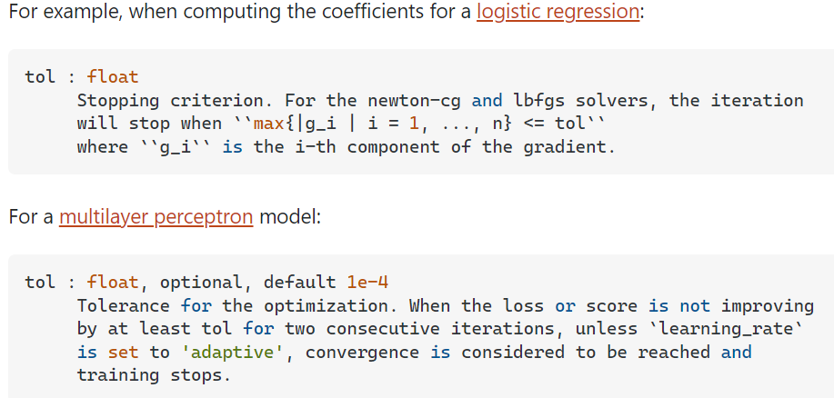 |  |  |  | ⇰REFERENCE (Website)--> 1.4 (OLD) Regularization , Ridge , LASSO, Elastic Net Regarding Practical Implementation at Parameter tol=0.005 What Kind of Output it Yield it now?

 | ⇰REFERENCE (Website)-->Udemy (L1 & L2 Regularization) Regarding Conceptual & Practical Implementation (Coding) of Elastic Net Regularization (L 1+L2)

⇒On a very high level, many machine learning task can be formulated into a "iterative process" to get all the parameters in the model, but when should we stop the iteration? There are different ways to stop. ❶Limit number of iterations ❷Check if the parameters converge (do not change over iterations) ❸Check some other metrics (such as gradient, gap be beteween primal and dual) ❹Many more When we do checking, tol can be used.

⇰cv:int, cross-validation generator or iterable, default=None ⇒In Simple Words CV number, which is the number of folds in K fold cross validation by default.If you scroll down in the documentation, it eventually tells you that it's going to say it's a default five fold cross validation.So we'll keep the default if you want.You can define it here as CV is equal to five ⇒Determines the cross-validation splitting strategy. Possible inputs for cv are: ❶None, to use the default 5-fold cross-validation ❷int, to specify the number of folds. ❸An iterable yielding (train, test) splits as arrays of indices. ❹For int/None inputs, KFold is used. | ⇰REFERENCE (Website)-->Scikit Learn Regarding Thereotical & Conceptual & Practical Implementation Regarding Hyper Parameter of Elastic Net CV (Cross Validation)

SUPPORTING HYPER PARAMETER FOR MODEL

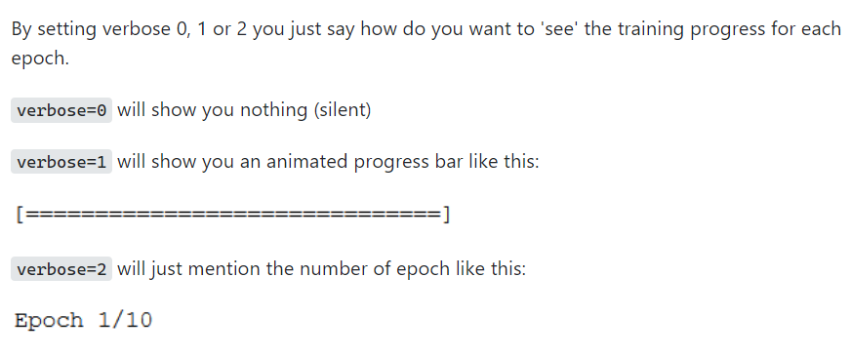 ⇰verbose:bool or int, default=False ❶Amount of verbosity ❷Verbosity level is related just to logging. In unit tests you find it for the logging of the information. ❸These levels decide the amount of information you will get. For example setting the level to ERROR for running unit tests will display only the cases for which the unit tests failed. Setting it to DEBUG will give you more (the most in fact) info such as what were the values of the variables (in assert statements etc).It is more useful in cases where your program has different levels of logging and you want your users to see different levels of info. For eg. usually you don't want the users to see details of internals, apart from fatal errors. So users will be running the program in FATAL or CRITICAL mode. But when some error occurs you will need such details. ❹The verbosity level: if non zero, progress messages are printed. Above 50, the output is sent to stdout. The frequency of the messages increases with the verbosity level. If it more than 10, all iterations are reported. ❻By setting verbose 0, 1 or 2 you just say how do you want to 'see' the training progress for each epoch. | ⇰REFERENCE (Website)-->Stackoverflow Regarding Conceptual & Thereotical Info Regarding ('What is verbosity level exactly in python?') (difference between each level)

 | ⇰REFERENCE (Website)-->Scikit Learn Regarding Thereotical & Conceptual & Practical Implementation Regarding Hyper Parameter of Elastic Net CV (Cross Validation)

 | ⇰REFERENCE (Website)-->Udemy (L1 & L2 Regularization) Regarding Conceptual & Practical Implementation (Coding) of Elastic Net Regularization (L 1+L2)

⇰positive:bool, default=False ❶If positive, restrict regression coefficients to be positive.

⇰n_jobs:int, default=None ❶Number of CPUs to use during the cross validation. None means 1 unless in a joblib.parallel backend. ❷The maximum number of concurrently running jobs, such as the number of Python worker processes when backend=”multiprocessing” or the size of the thread-pool when backend=”threading”. If -1 all CPUs are used. If 1 is given, no parallel computing code is used at all, and the behavior amounts to a simple python for loop. This mode is not compatible with timeout. For n_jobs below -1, (n_cpus + 1 + n_jobs) are used. Thus for n_jobs = -2, all CPUs but one are used. ❸n_jobs=-1-->running with n-jobs = -1: (after adding the if __name__ == '__main__': line to my script) I see the script starting 4 processes with 10 threads each. Each process uses about 25% of the CPU (total: 100%). Seems to work as expected. ❹n_jobs=1-->running with n-jobs = 1: stays on a single process (not a surprise), with 20 threads, and also uses 100% of the CPU. | ⇰REFERENCE (Website)--> Joblib Python Library Regarding Parameters of Joblib.Parallel() ' Hyper Parameter of n_jobs

 | ⇰REFERENCE (Website)-->Stackoverflow Regarding Thereotical & Practical Implementation of n_jobs 's Hyper Parameter for LASSO CV's Model

 | ⇰REFERENCE (Website)-->Scikit Learn Regarding Thereotical & Conceptual & Practical Implementation Regarding Hyper Parameter of Elastic Net CV (Cross Validation)

⇰copy_X:bool, default=True ❶If True, X will be copied; else, it may be overwritten. | ⇰REFERENCE (Website)-->Udemy (L1 & L2 Regularization) Regarding Conceptual & Practical Implementation (Coding) of Elastic Net Regularization (L 1+L2)

⇰fit_intercept :bool, default=True : ❶ Whether to calculate the intercept for this model. If set to False, no intercept will be used in calculations (i.e. data is expected to be centered). ❷Basically in Simple Terminology --> fit_intercept=False sets the y-intercept to 0. If fit_intercept=True, the y-intercept will be determined by the line of best fit.

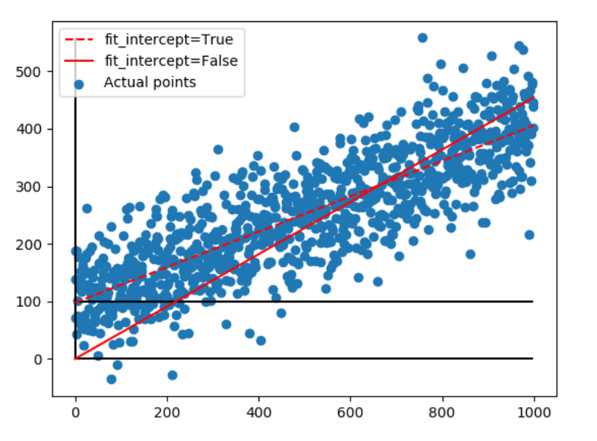 | ⇰REFERENCE(Website)->Stackoverflow Regarding Param (fit_intercept)

Methods of Elastic Net CV
METHODS FOR LASSO CROSS VALIDATION (LASSO CV) | REFERENCE

 | ⇰REFERENCE (Website)-->Scikit Learn Regarding Thereotical & Various Methods Practical Implementation for Elastic Net Cross Validation (CV)

 | ⇰REFERENCE (Website)-->Udemy (L1 & L2 Regularization) Regarding Conceptual & Practical Implementation (Coding) of Elastic Net Regularization (L 1+L2)

⇰get_params(deep=True) ❶Get parameters for this estimator. ❷deep:bool, default=True ,If True, will return the parameters for this estimator and contained sub objects that are estimators. Parameter names mapped to their values in dict format . ❸ In 2nd Instance we had seen that we Create get_params by using calling keys & display result in in List Format

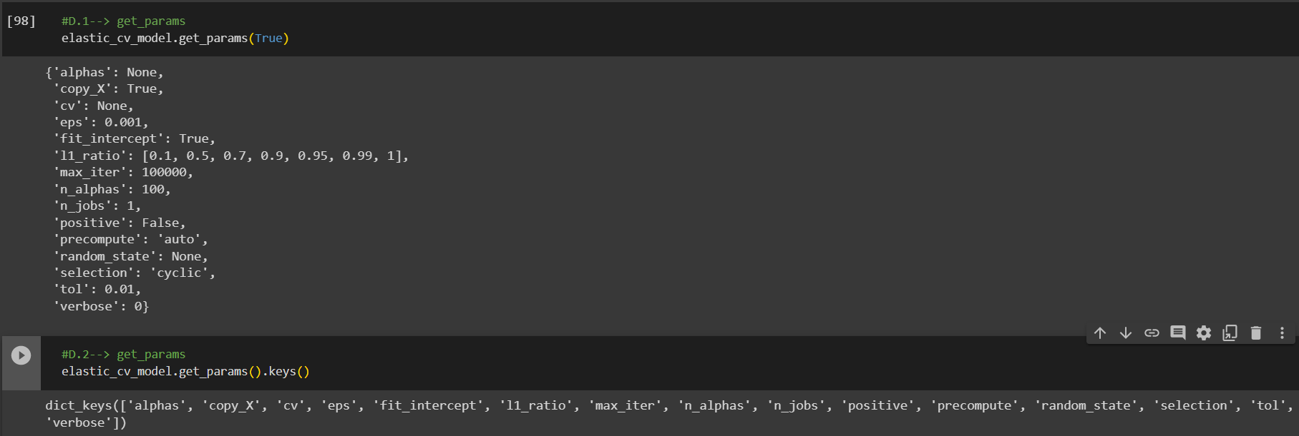 | ⇰REFERENCE (Website)-->1.4 (iv) (Google Colab) ML Regularization (ELASTIC NET CV) Regarding Practical Implementation (Coding) of Methods --> get_params method

⇰set_params(params) ❶Set the parameters of this estimator . ❷In simple words set_params (Setting or Readjusting any Hyper Parameter again with New Param) ,We can Perform Readjustment or Reconfiguration of any Hyper Parameter for Given Model & then Re-run the Model. | ⇰REFERENCE (Website)-->Udemy (L1 & L2 Regularization) Regarding Conceptual & Practical Implementation (Coding) of Elastic Net Regularization (L 1+L2) | ⇰REFERENCE (Website)-->Scikit Learn Regarding Thereotical & Various Methods Practical Implementation for Elastic Net Cross Validation (CV)

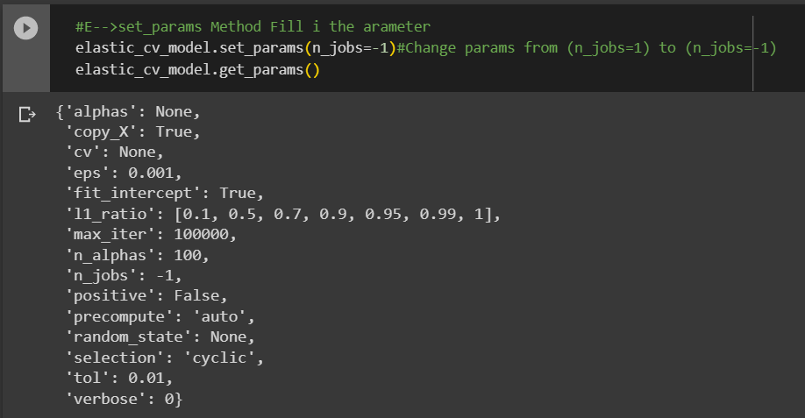

 | ⇰REFERENCE (Website)-->1.4 (iv) (Google Colab) ML Regularization (ELASTIC NET CV) Regarding Practical Implementation (Coding) of Methods --> set_params( )

⇰fit(X, y, sample_weight=None) ❶Fit model with coordinate descent.(Coordinate descent is an optimization algorithm that successively minimizes along coordinate directions to find the minimum of a function.) | ⇰REFERENCE (Website)-->1.4 (iv) (Google Colab) ML Regularization (ELASTIC NET CV) Regarding Practical Implementation (Coding) of Methods --> fit method | ⇰REFERENCE (Website)--> Wikipedia Regarding Thereotical & Conceptual Understanding Regarding Coordinate Descent

⇰predict(X) ❶Predict using the linear model. (Linear models are a way of describing a response variable in terms of a linear combination of predictor variables. The response should be a continuous variable and be at least approximately normally distributed model.) | ⇰REFERENCE (Website)-->1.4 (iv) (Google Colab) ML Regularization (ELASTIC NET CV) Regarding Practical Implementation (Coding) of Methods --> predict method | ⇰REFERENCE (Website)-->Udemy (L1 & L2 Regularization) Regarding Conceptual & Practical Implementation (Coding) of Elastic Net Regularization (L 1+L2)

 |  |  | ⇰REFERENCE (Website)-->Scikit Learn Regarding Thereotical & Various Methods Practical Implementation for Elastic Net Cross Validation (CV)

⇰score(X, y, sample_weight=None) ❶Return the coefficient of determination of the prediction. ❷Scorer Metric is used for the purpose for finding what kind of evaluation Criteria is used in Given Data set for the purpose of Finding Out the Error. | ⇰REFERENCE (Website)-->1.4 (iv) (Google Colab) ML Regularization (ELASTIC NET CV) Regarding Practical Implementation (Coding) of Methods --> score method | REFERENCE (Website)-->[Scikit Learn Regarding Metric Scoring Or Various Types of Metric Scoring

 |  | ⇰REFERENCE (Website)-->[1.5 Google Colab CROSS VALIDATION (CV) (SCORING METRICS) Regarding Practical Implementation (Coding) of SCORING METRICS

 | ⇰REFERENCE (Excel Sheet)-->2.5 (ii) Cross Validation & Various SCORING Metrics Regarding Various Information Regards SCORING METRICS

Attributes of Elastic Net CV
ATTRIBUTES FOR LASSO CROSS VALIDATION (LASSO CV) | REFERENCE

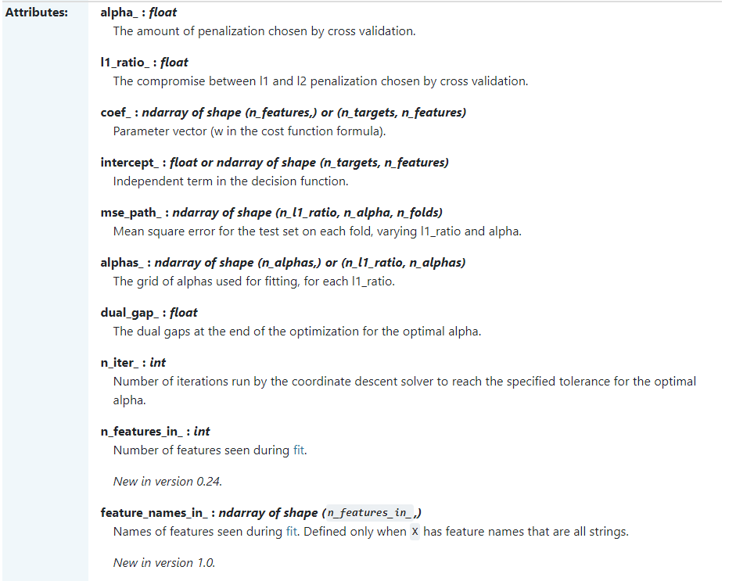 | ⇰REFERENCE (Website)-->Scikit Learn Regarding Thereotical & Conceptual Implementation Regarding Attributes of LASSO Cross Validation (LASSO CV)

 | ⇰REFERENCE (Website)-->Udemy Regarding Thereotical & Practical Implementation Regarding Attributes For LASSO Cross Validation (LASSO CV)

 | ⇰REFERENCE (Website)-->Udemy Regarding Thereotical & Practical Implementation Regarding Attributes For LASSO Cross Validation (LASSO CV)

⇰coef_:array of shape (n_features, ) or (n_targets, n_features) ❶The coef_ gives the coefficient of the features of your dataset. ❷Parameter vector (w in the cost function formula). ❸In (Simple Term) linear regression, coefficients are the values that multiply the predictor values. Suppose you have the following regression equation: y = 3X + 5. In this equation, +3 is the coefficient, X is the predictor, and +5 is the constant. ❹Basically Acc to me Coef_ mean Importance of Each & Every Feature (x1 ,x2,x3) or Effectiveness of particular feature on Output (y).In other word Propensity change in (x1,x2,x3) Independent Variable that makes change in y (output) (Dependent Variable). ❺ Weight vector(s) | ⇰REFERENCE (Website)-->Scikit Learn Regarding Thereotical & Conceptual Implementation Regarding Attributes of LASSO Cross Validation (LASSO CV)

 | ⇰REFERENCE (Website)-->1.4 (iv) Google Colab Regularization (Elastic Net CV) Regarding Practical Implementation of Attributes coef_

 | ⇰REFERENCE (Website)-->Udemy Regarding Thereotical & Practical Implementation Regarding Attributes For LASSO Cross Validation (LASSO CV)

⇰intercept_: float or array of shape (n_targets) →Independent term in the linear model. Independent term in decision function. First Understand What is Intercept Means ❶The Slope and Intercept are the very important concept of Linear regression. ❷ The slope indicates the steepness of a line and the intercept indicates the location where it intersects an axis. ❸If we set the Intercept as False then, no intercept will be used in calculations (e.g. data is expected to be already centered. ❹Obviously It is Giving Intercept Because we had set fit_intercept =True So this Model Giving Actual Intercept

 | ⇰REFERENCE (Website)-->Scikit Learn Regarding Thereotical & Conceptual Implementation Regarding Attributes of LASSO Cross Validation (LASSO CV)

 | ⇰REFERENCE (Website)-->1.4 (iv) Google Colab Regularization (Elastic Net CV) Regarding Practical Implementation of Attributes intercept__

⇰alpha_: float (λ)==>alpha) ❶The amount of penalization (λ)==>alpha) chosen by cross validation. Basically in Simple Word Number of Alphas (λ) Used for Cv Regularization or For Elastic Run CV Model Optimization.
 | ⇰REFERENCE (Website)-->1.4 (iv) Google Colab Regularization (Elastic Net CV) Regarding Practical Implementation of Attributes alpha_

 | ⇰REFERENCE (Website)-->Scikit Learn Regarding Thereotical & Conceptual Implementation Regarding Attributes of LASSO Cross Validation (LASSO CV)

⇰alphas_:ndarray of shape (n_alphas,) (λ)==>alpha) ❶The grid of alphas used for fitting. Basically in Simple Words Number of Alphas or Lambda Used for Elastic CV Model Optimization Based on Param n_alphas (λ) & eps Or We can Choose cross validation based number of default (λ) Alphas.

 | ⇰REFERENCE (Website)-->1.4 (iv) Google Colab Regularization (Elastic Net CV) Regarding Practical Implementation of Attributes alphas_

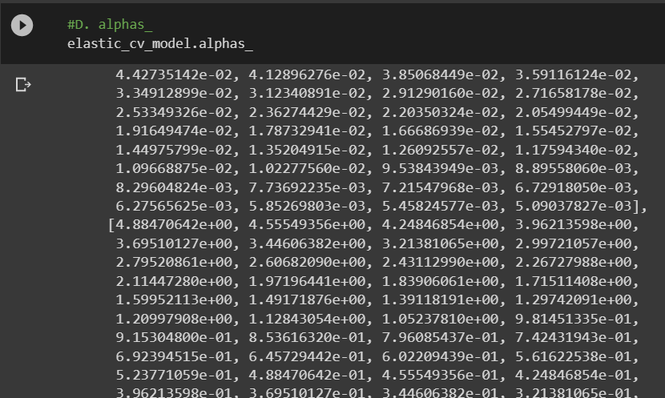

 | ⇰REFERENCE (Website)-->Udemy Regarding Thereotical & Practical Implementation Regarding Attributes For LASSO Cross Validation (LASSO CV)

 | ⇰REFERENCE (Website)-->Scikit Learn Regarding Thereotical & Conceptual Implementation Regarding Attributes of LASSO Cross Validation (LASSO CV)
⇰mse_path_:ndarray of shape (n_alphas, n_folds) ==>Param (cv)--> folds means 5 fold cross validation ❶Mean square error for the test set on each fold (Cross Validation Like 5 Fold CV), varying alpha. ❷In Simple Words Finding Mean Square Error For Each Fold (Strata) of Overall X_train (Data Set) & Via MSE We can Evaluate Performance & Used Result to Re do Hyper Parameter Tune Up & Do same process again.

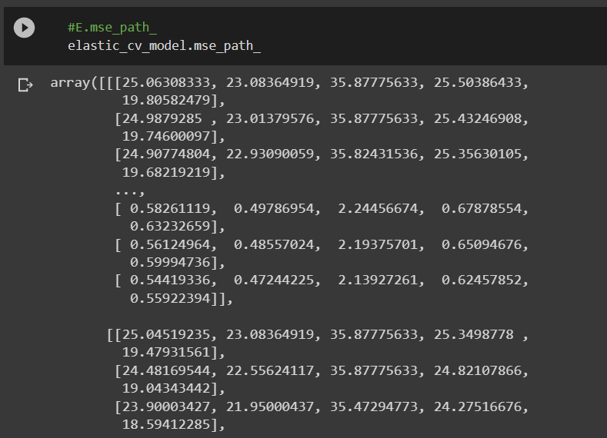
 | ⇰REFERENCE (Website)-->1.4 (iv) Google Colab Regularization (Elastic Net CV) Regarding Practical Implementation of Attributes mse_path_

 | ⇰REFERENCE (Website)-->Udemy Regarding Thereotical & Practical Implementation Regarding Attributes For LASSO Cross Validation (LASSO CV)

 | ⇰REFERENCE (Website)-->Scikit Learn Regarding Thereotical & Conceptual Implementation Regarding Attributes of LASSO Cross Validation (LASSO CV)

⇰n_iter_:int ❶Number of iterations run by the coordinate descent solver to reach the specified tolerance for the optimal alpha. ❷ Basically in Simple Words Basically in Simple Words As you noted, tol is the tolerance for the stopping criteria. This tells scikit to stop searching for a minimum (or maximum) once some tolerance is achieved, i.e. once you're close enough. tol will change depending on the objective function being minimized and the algorithm they use to find the minimum, and thus will depend on the model you are fitting. There is no universal tolerance to scikit. ❸In Upcoming Example ↓We can see (n_iter_) Attributes used in 1.4 (iii) Regularization (ELASTIC CV) Google Colab have n_iter_ value ==>34 It Means To Create Test _predictions based on Requisite MSE Model have Run 34 Iteration of Same Model to Generate Result

 | ⇰REFERENCE (Website)-->Udemy Regarding Thereotical & Practical Implementation Regarding Attributes For LASSO Cross Validation (LASSO CV)

 | ⇰REFERENCE (Website)-->1.4 (iv) Google Colab Regularization (Elastic Net CV) Regarding Practical Implementation of Attributes n_iter_

⇰n_features_in_:int ❶Number of features seen during fit. In Simple Words Number of features seen during fit . Only defined if best_estimator_ is defined (see the documentation for the refit parameter for more details) and that best_estimator_ exposes feature_names_in_ when fit. ❷Basically in Simple Words Number of Feature (Independent Variable) that Given Dataset have For Example In this Given Dataset There is Only 3 Features That is [Newspaper],[Radio],[TV] | ⇰REFERENCE (Website)-->Udemy Regarding Thereotical & Practical Implementation Regarding Attributes For LASSO Cross Validation (LASSO CV)

 | ⇰1.4 (iv) Google Colab Regularization (Elastic Net CV) Regarding Practical Implementation of Attributes n_features_in_

⇰l1_ratio_:float ❶The compromise between l1 and l2 penalization chosen by cross validation. ❷Float between 0 and 1 passed to ElasticNet (scaling between l1 and l2 penalties). For l1_ratio = 0 the penalty is an L2 penalty. For l1_ratio = 1 it is an L1 penalty. For 0 < l1_ratio < 1, the penalty is a combination of L1 and L2 This parameter can be a list, in which case the different values are tested by cross-validation and the one giving the best prediction score is used. Note that a good choice of list of values for l1_ratio is often to put more values close to 1 (i.e. Lasso) and less close to 0 (i.e. Ridge), as in [.1, .5, .7, .9, .95, .99, 1]. ❸In this Model we added default (L1 & L2 Penalization) Choosed By Cross validation in Scikit Learn Elastic Run Mode's Params | ⇰REFERENCE (Website)-->Scikit Learn Regarding Thereotical & Conceptual Implementation Regarding Attributes of LASSO Cross Validation (LASSO CV)

 | ⇰REFERENCE (Website)-->Udemy Regarding Thereotical & Practical Implementation Regarding Attributes For LASSO Cross Validation (LASSO CV)

 | ⇰1.4 (iv) Google Colab Regularization (Elastic Net CV) Regarding Practical Implementation of Attributes -->l1_ratio

TRAIN|TEST|SPLIT
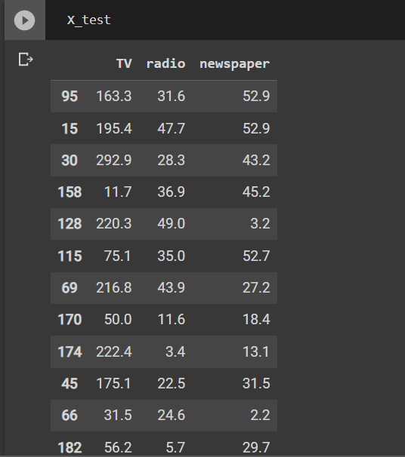
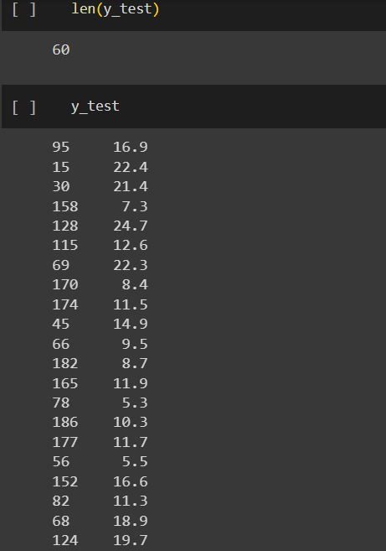
TRAIN | TEST | SPLIT

⇰REFERENCE (WEBSITE)-->Udemy Regarding Train_Test_Split
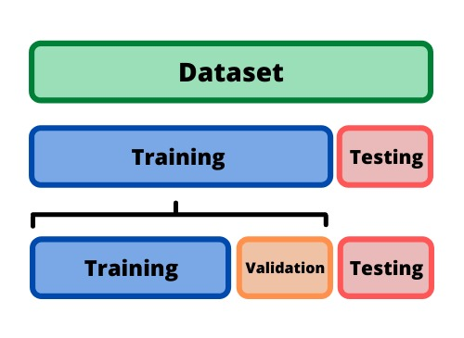 ⇰DEFINITION OF TRAIN-TEST-SPLIT →To fairly evaluate my model's performance, I don't want to evaluate it on the same data it was trained at. First we separates out the features and then it separates out the labels Further we'll separate out a training set and a test set Which Further Subdivide into 4 Components --> X train and Y train and then X test and y test the weights.

PARAMETERS FOR TRAIN | TEST | SPLIT | REFERENCE

⇰X_train→X_train Contains the Values of The Features (X1(Newspaper) ,X2(Radio) , X3(Television) This includes your all independent variables,these will be used to train the model, also as we have specified the test_size = 0.4, this means 60% of observations from your complete data will be used to train/fit the model and rest 40% will be used to test the model. | ⇰REFERENCE (Website)--> Stackoverflow Regarding TRAIN-TEST-SPLIT

⇰X_test→This is remaining 40% portion of the independent variables [Features(X1(Newspaper) ,X2(Radio) , X3(Television)] from the data which will not be used in the training phase and will be used to make predictions to test the accuracy of the model.
 | ⇰REFERENCE (Website)-> Stackoverflow RegardingTRAIN-TEST-SPLIT

⇰y_train→This is your dependent variable which needs to be predicted by this model, this includes category labels against your independent variables (Output =Total Sales), we need to specify our dependent variable while training/fitting the model.

 | ⇰REFERENCE (Website)-->(1.2 Google Colab Linear Regression Regarding Practical Implementation (Coding) of TRAIN | TEST SPLIT
⇰y_test→This data has category labels (Dependent Variable) (Output = Total Sales) for your test data, these labels will be used to test the accuracy between actual and predicted categories.

⇰test_size→test_size is the number that defines the size of the test set. It's very similar to train_size . You should provide either train_size or test_size . If neither is given, then the default share of the dataset that will be used for testing is 0.25 , or 25 percent. Especially in This Case test_size is 0.3 or 30% of Total Data Size.
 | ⇰REFERENCE (Website)-> Scikit Learn Regarding TRAIN-TESTS-SPLIT

⇰Random_state →Random_state is used to set the seed for the random generator so that we can ensure that the results that we get can be reproduced. Because of the nature of splitting the data in train and test is randomised you would get different data assigned to the train and test data unless you can control for the random factor. ↔Example-->For example, imagine you have numbers: 1,2,3,4,5 and you want to select two random numbers. Without using a random_state you would get different things: i.e. first 2,5 then 3,4 and so on.When you control the random generator by setting the random state to 0, 1 or another number, everyone would get the same random numbers generated: i.e random_state=1 then the random numbers are 1,3 and everyone who will pick two random numbers using random_state=1 from 1,2,3,4,5 will get the same two numbers as you: 1,3. →The random state hyperparameter is used to control any such randomness involved in machine learning models to get consistent results. We can use cross-validation to mitigate the effect of randomness involved in machine learning models. →Reason For Random State Usage--> ❶. We need t
 | ⇰REFERENCE (Website)-> Real Python Regarding TRAIN-TESTS-SPLIT

 | ⇰REFERENCE (Website)--> Geeks For Geeks Regarding Practical Impelentation (Coding) of TRAIN | TEST SPLIT

 | ⇰REFERENCE (Website)-> Scikit Learn Regarding TRAIN-TESTS-SPLIT

 | ⇰REFERENCE (Website)-> Real Python Regarding TRAIN-TESTS-SPLIT

⇰Shuffle Split→shuffle is the Boolean object (True by default) that focus on whether to shuffle the dataset before applying the split. →Reason For Random State Usage--> ❶.The other reason that we have a random state here is because what Sk learn is going to do when it calls train test split is it's actually going to shuffle the arrays first.So you'll notice here that it actually is calling a shuffle split.That's why main reason it's calling a shuffle split. ❷.If we See almost any Data set We can tell that more or less my data appears to be in no sort of sorted order.But for other data sets, it's not uncommon that when you read it in, it's actually already sorted for you. What we don't want to do is if our data set is in some sort of order or sorted is grab the first 70% of the rows for the train set and then the last 30% for the test set. Instead, we want to make sure that we shuffle everything first and then grab the 70% and 30%.That way I don't have an accidentally ordered data set and the test set happens to be all the highest sales and the training set is the lowest 70% of sales. That could be really dangerous as far as fairly evaluating and training your model. So instead we just alleviate any issues of that by shuffling the data set first.

 | ⇰REFERENCE (Website)-->(1.2 Google Colab Linear Regression Regarding Practical Implementation (Coding) of TRAIN | TEST SPLIT

 | ⇰REFERENCE (Website)--> 1.3 Google Colab (Polynomial Regression) Regarding Practical Implementation (Coding) of TRAIN | TEST SPLIT

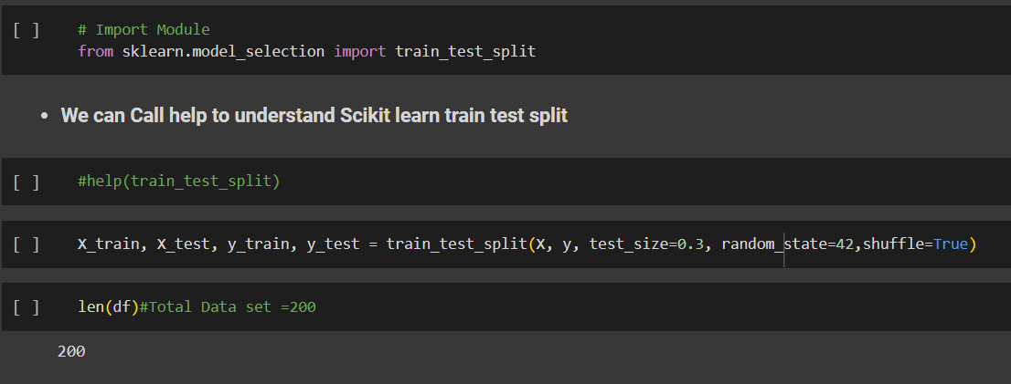 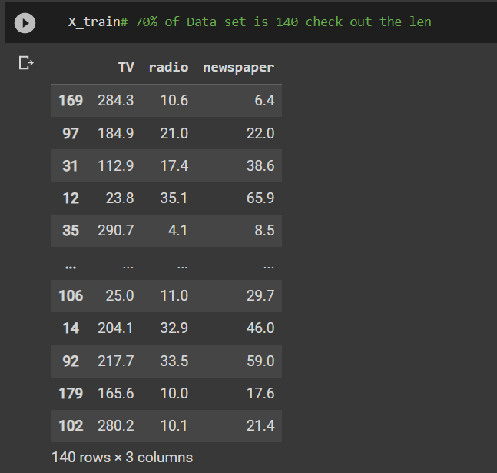 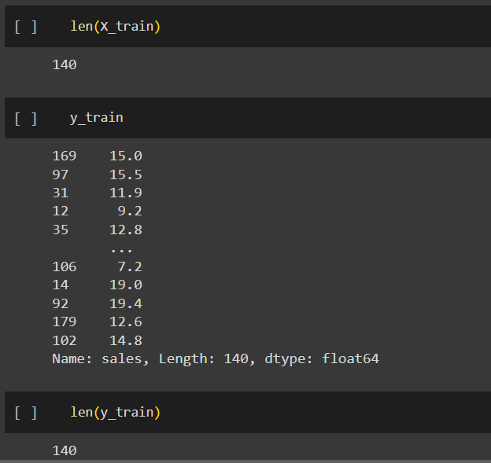 | ⇰REFERENCE (Website)-->(1.2 Google Colab Linear Regression Regarding Practical Implementation (Coding) of TRAIN | TEST SPLIT

 | ⇰REFERENCE (Website)--> 1.3 Google Colab (Polynomial Regression) Regarding Practical Implementation (Coding) of TRAIN | TEST SPLIT

Feature Scaling
2. (THEREOTICAL) FEATURE SCALING | REFERENCE

①What is Feature Scaling ? | ⇰REFERENCE (Website)-->Udemy Regarding Definition & Meaning & Definition as well as benefits of Feature Scaling
⇰Many machine learning algorithms perform better when numerical input variables are scaled to a standard range.This includes algorithms that use a weighted sum of the input, like linear regression, and algorithms that use distance measures, like k-nearest neighbors.

②What is Scale Invariance ? | ⇰REFERENCE (Website)-->Wikipedia Regarding Definition & Meaning of Scale Invariance
⇰In physics, mathematics and statistics, scale invariance is a feature of objects or laws that do not change if scales of length, energy, or other variables, are multiplied by a common factor, and thus represent a universality.

 | ⇰REFERENCE (You Tube)-->Feature Scale Importance For Gradient Descent By Priyanshu Vats
③Benefits of Feature Scaling ?
❶The most important benefit is that feature scaling improves the convergence of the steepest descent algorithms.And what we mean by that are algorithms like gradient descent in trying to minimize the lost function.Those gradient descent algorithms do not possess the property of Scale Invariance.

 | ⇰REFERENCE (You Tube)-->Code Basics(Hindi) Regarding Overall Thereotical Definition & Practical Implementation (Coding) of Cost Function or Line of Best Fit

❷So what we mean by that is that if you have features that are on different scales and you're trying to use something like gradient descent to figure out the optimal coefficients, certain weights for those coefficients may update faster than others, since the feature values may play a role in those coefficient or weight updates.

❸Essentially what we mean is, if you can imagine gradient descent in multiple dimensions and you have some features on much different or much larger scales than others, then the weights that are being restricted to those really large scales are going to take longer to update than the scales for features that are much smaller.And so what you want is that all the features are on roughly the same scale.
 | ⇰REFERENCE (You Tube) --> Krishna Naik Regarding Overall Implementation & Def & Why and When Should we Perform Feature Normalization?

❹That way, the gradient descent as far as the convergence of the optimal coefficients or weights can take around the same amount of time for each of those features.So that really is the critical benefit of feature scaling.
 | ⇰REFERENCE (Website)--> Scikit Learn Regarding Practical Implementation & Definition of Feature Scaling (Especially Standard Scaler)

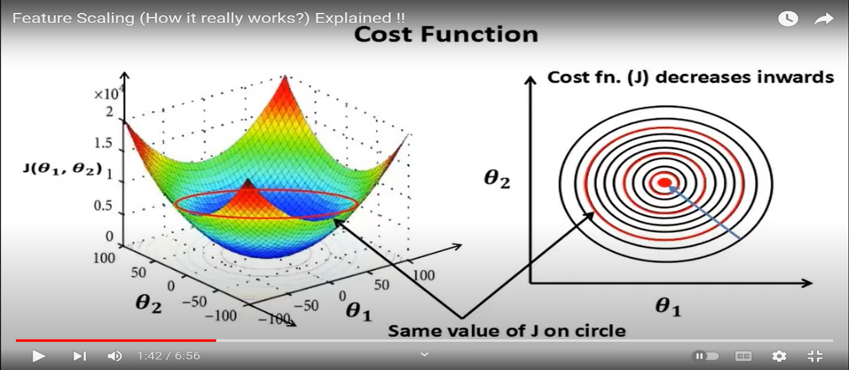

 | ⇰REFERENCE (Website)-->Udemy Regarding Definition & Meaning & Definition as well as benefits of Feature Scaling

 | ⇰REFERENCE (You Tube)-->Feature Scale Importance For Gradient Descent By Priyanshu Vats

 | ⇰REFERENCE (You Tube)-->Code Basics(Hindi) Regarding Overall Thereotical Definition & Practical Implementation (Coding) of Cost Function or Line of Best Fit

④Caveats (Warrning) of Using Feature Scaling in Various Models ?

⇰Must Always Scale new Unseen data Before Feeding to Model. ⇰Effect Direct Interpretability of Feature Coefficients. ❶Easier to Compare coefficients to one another , harder to relate back to original unscaled feature

 | ⇰REFERENCE (Website)-->Geeks For Geeks Regarding ML | Feature Scaling – Part 2

B. TYPES OF FEATURE SCALING | REFERENCE

①STANDARDIZATION (Standard Scaler) Or Z score Normalization | ⇰REFERENCE (Website)--> Scikit Learn Regarding Practical Implementation & Definition of Feature Scaling (Especially Standard Scaler)
⇰Standardization Rescales data to have a mean that is mu of 0 and a standard deviation of 1, which means you're essentially standardizing all your data to follow a standard normal distribution so you could have negative values there. Name Sake Can be confusing since this also referred as Z score normalization ⇰Name Sake Can be confusing since this also referred as Z score normalization ⇰Standardization scales each input variable separately by subtracting the mean (called centering) and dividing by the standard deviation to shift the distribution to have a mean of zero and a standard deviation of one. ⇰In Simple Words Standardization Mean Rescaling Data to have mean (μ) of 0 & Standard Deviation (σ) of 1 Unit Variance) .

 | ⇰REFERENCE (Website)-->Udemy Regarding Definition & Meaning & Definition as well as benefits of Feature Scaling

 | ⇰REFERENCE (Website)-->Machine Learning Mastery Regarding Thereotical & Practical (Coding) Implementation Regarding Meaning & Understanding of 1st Types of Feature Scaling That is Standardization


 | ⇰REFERENCE (You Tube)-->Feature Scale Importance For Gradient Descent By Priyanshu Vats

 | ⇰REFERENCE (You Tube)-->Code Basics(Hindi) Regarding Overall Thereotical Definition & Practical Implementation (Coding) of Cost Function or Line of Best Fit
❶PRACTICAL IMPLEMENTATION OF PLOTTING TYPES OF FEATURE SCALING (STANDARDIZATION) IN 1.3 POLYNOMIAL REGRESSION & FEATURE SCALING

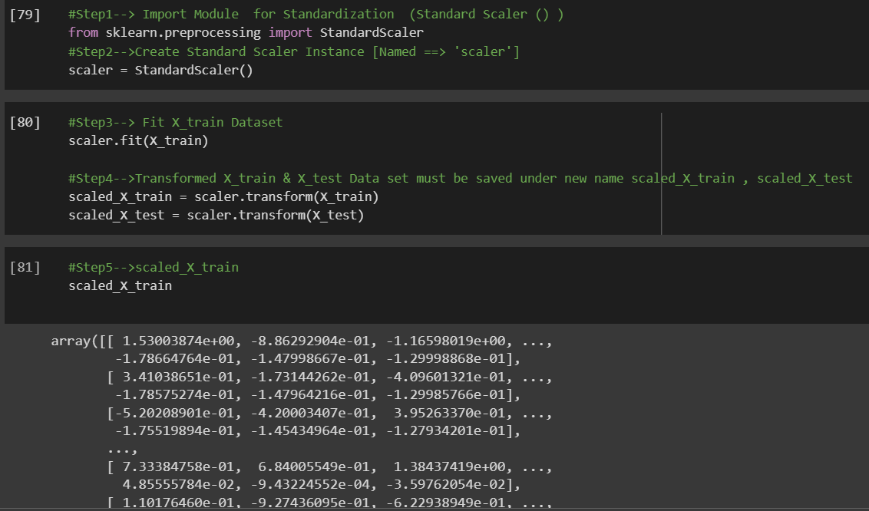

 | ⇰REFERENCE (Website) --> 1.3 Google Colab (Polynomial Regression & Feature Scaling) Regarding Practical Implementation & (Coding) 1st Types of Feature Scaling That is == (Standardization) Standard Scaling

 | ⇰REFERENCE (Website)-->Analytics Vidhya Regarding Meaning of Feature Scaling & Types of Feature scaling 1. Standardization 2.Normalization

 | ⇰REFERENCE (Website)-->Scikit Learn Regarding Practical Implementation & Definition of Feature Scaling (Especially Min-Max Scaler)

